Blad1
 | ORDER |  | SUPPLIER : |  | ELITE |  | SEASON : | 2026/2 |  | YR REF : | P46W117

 |  |  | DATE: | 2026-04-15 |  |  | PRICE : | 17 | EURO | QUAL. :

 |  |  | DESCRIPTION : |  | SWEATER ROUND NECK 3/4E SLEEVE

REFERENCE |  | HOT CORAL |  |  | SIZE : | 36 | 38 | 40 | 42 | 44 | 46 | TOTAL
P46W117 |  | BROWN |  |  |  | 16 | 20 | 24 | 20 | 18 | 16 | 114
 |  | OFFWHITE |  |  |  | 26 | 36 | 38 | 36 | 30 | 26 | 192
 |  |  |  |  |  |  |  |  |  |  |  | 0
 |  |  |  |  |  |  |  |  |  |  |  | 0
 |  |  |  |  |  |  |  |  |  |  |  | 0
 |  |  |  |  |  |  |  |  |  |  |  | 306
 |  |  |  |  |  |  |  |  |  |  |  | STYLE
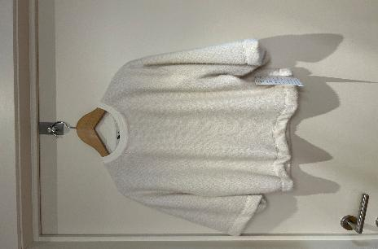

LABELS |  | SHE GOES LALA

REMARK |  | WE WILL MAKE 10CM LONGER
 |  | brown + lurex

DELIVERY |  | June

